LED Orientation
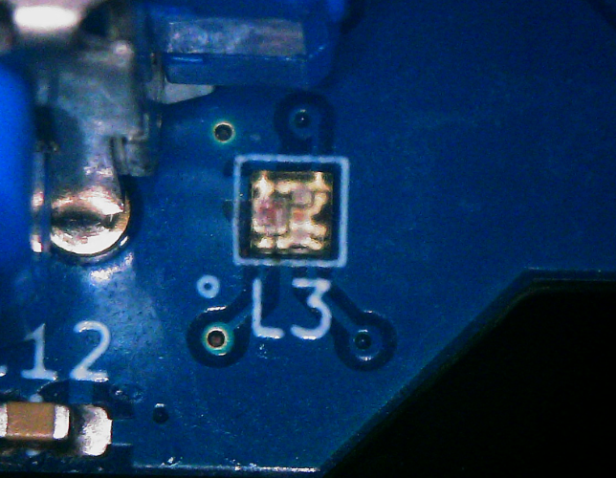
SK6805-EC-10

